Monthly Budget Worksheet
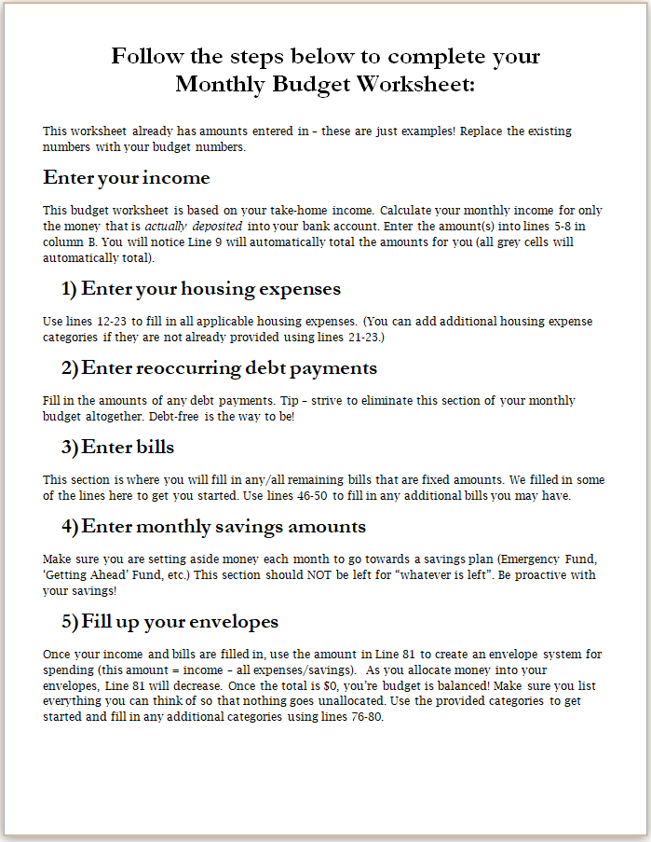
Monthly Budget Worksheet

NET INCOME
Montly Income #1 | $2,500.00 | < Hover to see note
Montly Income #2 | $2,500.00
Other Income | $-
 | $-
TOTAL INCOME | $5,000.00 | < This cell automatically totals

HOUSING EXPENSES
Rent/Mortage | $1,200.00
Extra Principal Payment (Mortgage) | $200.00 | < See note
2nd Mortgage/H.E.L.O.C. | $-
Homeowners Insurance | $100.00
HOA | $50.00
Electricity | $200.00
Natural Gas/Propane | $50.00
Water/Sewage | $50.00
Garbage Service | $50.00
Other Housing Expense | $-
 | $-
 | $-
TOTAL HOUSING EXPENSES | $1,900.00

DEBT PAYMENTS
Vehcile Loan #1 | $350.00
Vehicle Loan #2 | $-
Credit Card #1 | $50.00
Credit Card #2 | $-
Student Loan #1 | $100.00
Student Loan #2 | $-
Other Debt Payment | $-
 | $-
 | $-
 | $-
TOTAL DEBT PAYMENTS | $500.00

BILLS
Auto Insurance | $125.00
Life Insurance | $80.00
Cell Phone Bill | $150.00
Cable TV/Satilite | $-
Health Insurance | $- | < See note
Health Savings Account | $-
Other Bill #1 | $10.00
Other Bill #2 | $25.00
 | $-
 | $- |  | $- | Locked cells that total automatically
 | $-
TOTAL BILLS | $390.00 |  | < See Note | Hover to view additional notes

SAVING/INVESTING
Emergentcy Fund | $- | < See Note
"Extra" Retirement Savings | $200.00 | < See Note
"Getting Ahead" fund | $500.00 | < See Note

 | $-
TOTAL SAVING/INVESTING | $700.00

ENVELOPES
Groceries | $400.00
Gifts | $50.00
Charitable Contributions | $500.00
Vacation Fund | $-
Personal Spending Allowance (Mr.) | $60.00
Personal Spending Allowance (Mrs.) | $60.00
Home Maintenance | $50.00
Home Decor | $50.00
Clothing | $40.00
Date Night | $50.00
Hobbies | $50.00
Vehicle Maintenance | $40.00
Fun Money / Entertainment | $40.00
Unexpected Expenses | $80.00 | < See Note
Other #1
Other #2

REMAINING AMOUNT TO BE ALLOCATED | $40.00 | < See Note

